Data Dictionary
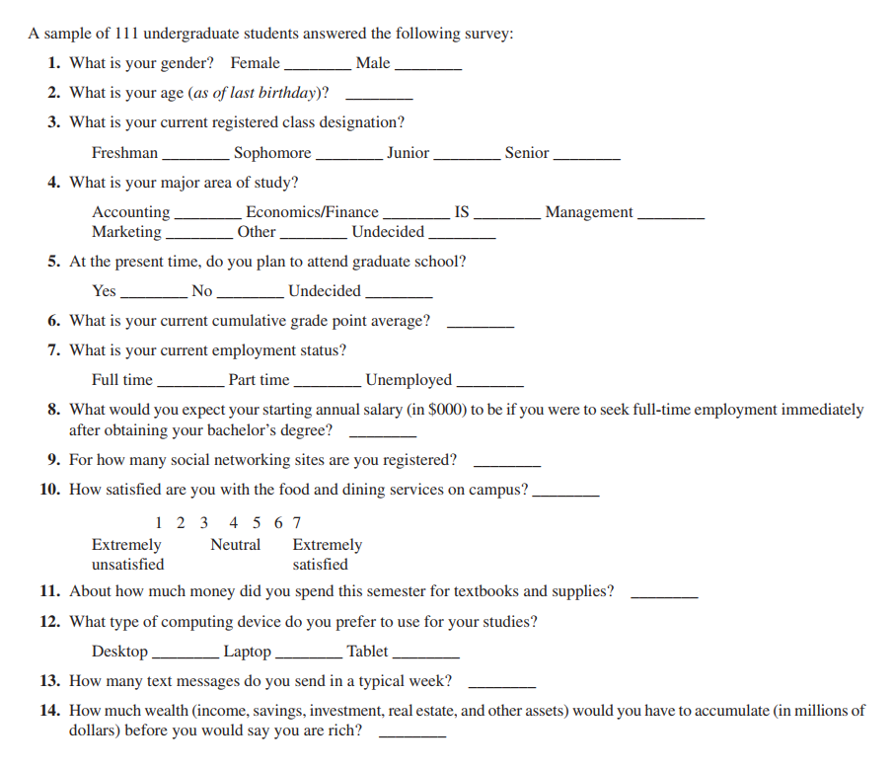
The survey is based on the following questionnaire:

